Sheet1
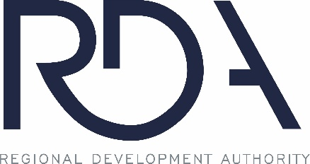
 | Bid Tally Sheet: Project NWI RDA-BE-2026-01

Bidder: |  | Alternate 1: | Alternate 2:
Environmental Cleansing Corp. |  |  | $3,291,979.00
Adamo Demolition Co. |  |  | $6,175,730.00
Alpine Demolition Services LLC |  |  | $4,310,000.00
Brandenburg Industrial Service Co. |  |  | $3,572,785.00
Green Demolition |  | $2,284,800.00 | $2,284,800.00
Henegan Wrecking |  | $4,382,300.00 | $4,382,300.00
Homrich Wrecking |  |  | $4,584,000.00
KLF Enterprises |  |  | $1,571,735.00
McDonagh Demolition |  |  | $2,870,000.00
Renascent |  |  | $3,181,000.00

* this is only a bid tally sheet and does not reflect or convey ranking, award, or analysis of complete or eligible bids

